Sheet1
Input | Output | Faithfulness | Coverage
Your goal is to explain an agent-based model. Your explanation must include the context of the model, its goals, and key parameters. For each parameter, include the range of values (if provided) and the value that we have set. Do not write any summary or conclusion. We have 31 parameters: - number-households, from 1.0 to 100.0. We set it to 60. - satisficing-threshold, from 0.0 to 100.0. We set it to 0. - satisficing-trials, from 0.0 to 100.0. We set it to 21. - knowledge-radius, from 0.0 to 5.0. We set it to 1. - resting-threshold, from 0.0 to 1.0. We set it to 0.1. - intrinsic-preference, from 0.0 to 1.0. We set it to 0. - social-susceptibility, from 0.0 to 1.0. We set it to 0. - global-rain?. We set it to True. - start-on-homepatch?. We set it to True. - resting?. We set it to False. - homog-behav-types?. We set it to True. - extension-model?. We set it to True. - SL2-strategy-switch?. We set it to False. - risk-mode?. We set it to True. - behavioral-type. We set it to E-RO. - number-SAT. We set it to 0. - number-E-RO. We set it to 20. - number-TRAD. We set it to 0. - b. We set it to 0. - number-MAX. We set it to 0. - rain-mean. We set it to 200. - risk-att-init. We set it to 0.5. - gr1. We set it to 0.5. - number-E-LBD. We set it to 20. - gr2. We set it to 0.1. - number-E-RO-SL1. We set it to 20. - timesteps. We set it to 100. - w. We set it to 0.8. - number-random. We set it to 0. - livestock-init. We set it to 90. - rain-std. We set it to 100. The context and goals of the model are as follows. This is an extension of the original RAGE model where we add learning capabilities to agents, specifically learning-by-doing and social learning (two processes central to adaptive (co-)management). The original model can be found here: The RAGE model is a *multi-agent simulation model* that captures *feedbacks between pastures, livestock and household livelihood in | The RAGE model is a multi-agent simulation framework designed to explore interactions between pastures, livestock, and household livelihoods within a common property grazing system. The extension of the model incorporates learning capabilities among agents, focusing on adaptive (co-)management techniques such as learning-by-doing and social learning. The model aims to assess the long-term socio-ecological impacts of these behavioral types by simulating various ecological and climatic scenarios. Outcome variables of interest include herd sizes, pasture biomass condition, and the number of surviving households. The model is set to evaluate homogeneous groups of agents with different behavioral types and compare their performance both individually and in mixed settings with heterogeneous agent groups. In the extension model scenario, households do not move but make decisions based on observations of their pasture and neighboring pastures to determine livestock placement. In this scenario, the model runs for 100 timesteps. The parameters specify the number and types of households in the simulation, their learning capabilities, The initial risk attitude among social learning agents remains constant throughout the simulation, showing no variation over the 100 time steps. This constant behavior suggests that the agents' initial risk attitudes are predetermined and unaffected by subsequent interactions or learning processes within the model. This implies that without external influences or changes in strategy, the inherent risk attitudes of the agents will remain static. The mean household risk attitude for all extension agents initially shows a substantial increase, signifying that households are becoming more willing to deviate from the recommended number of livestock. This rise occurs rapidly within the first 20 steps, where many agents reach values close to 0.6 or higher. This initial spike could indicate an early phase where households are adjusting their risk atti | -8 | -6
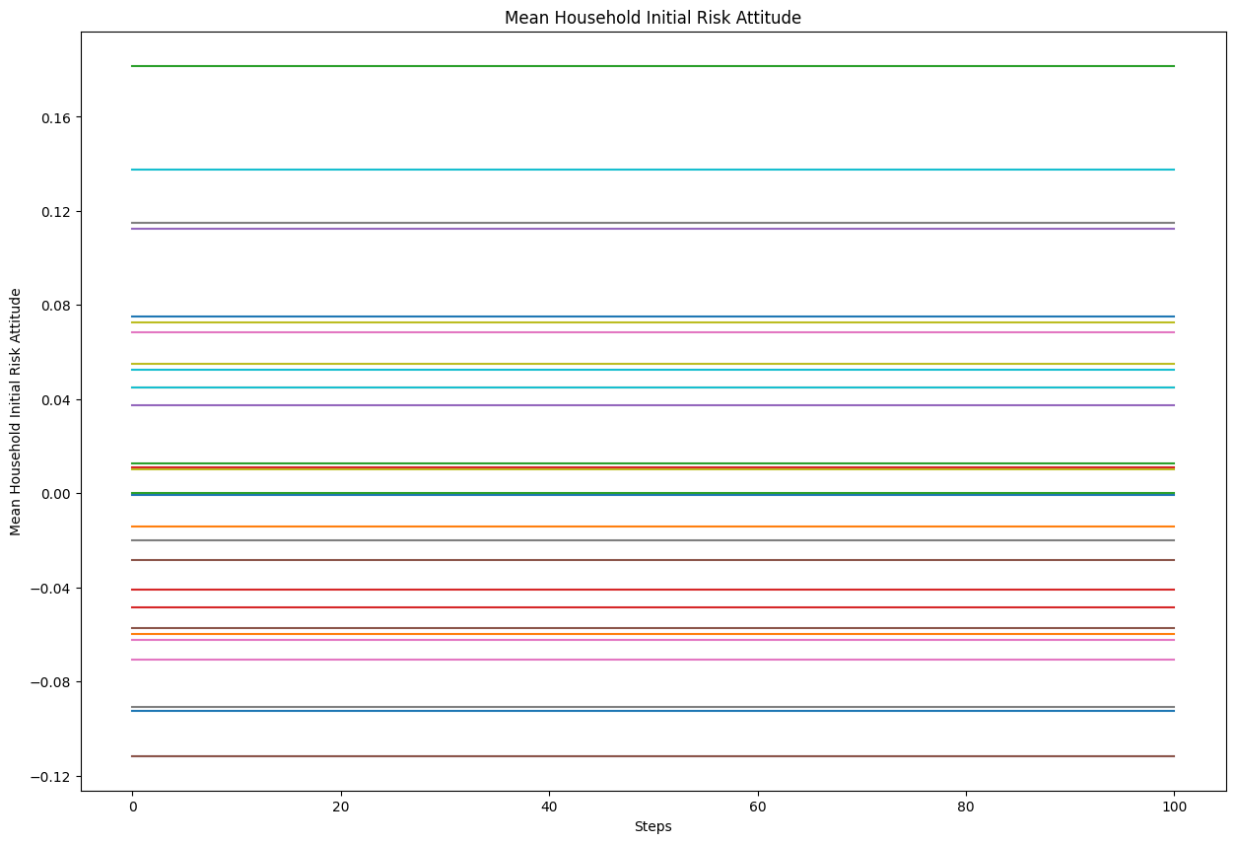
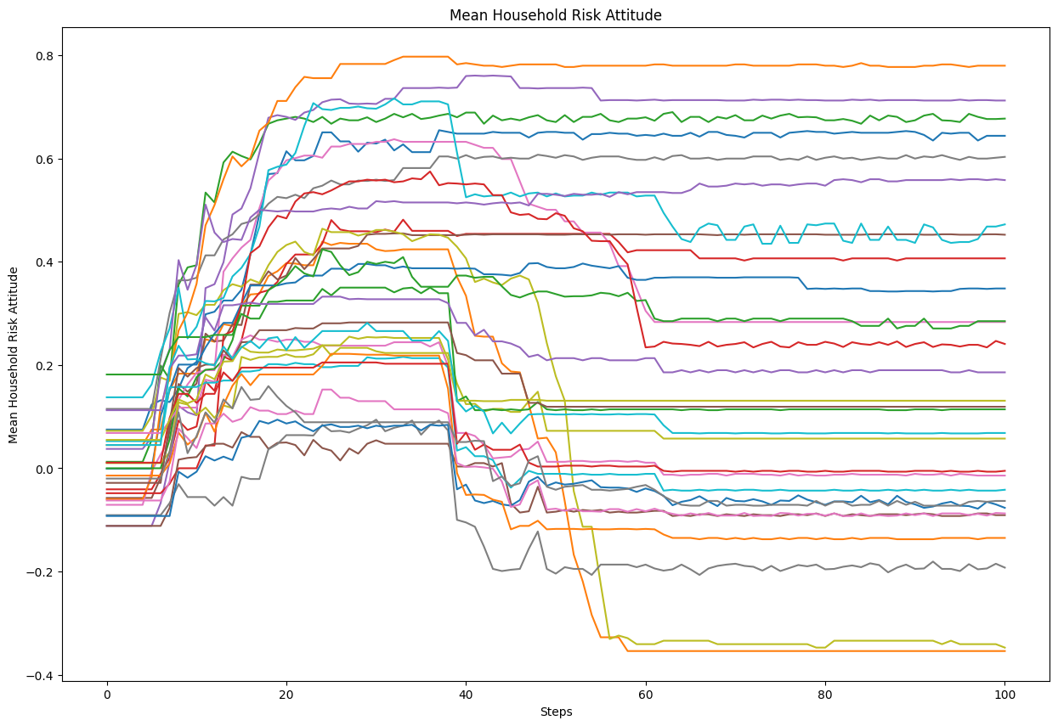
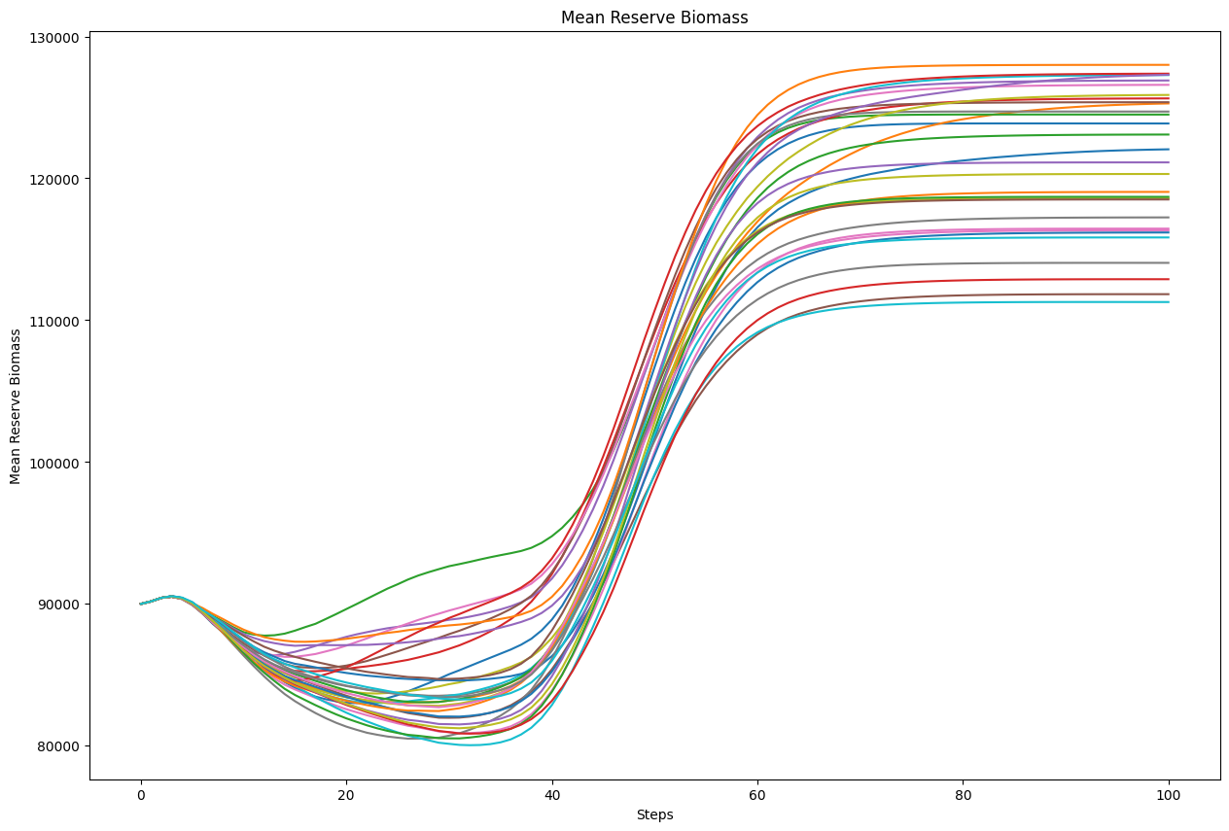
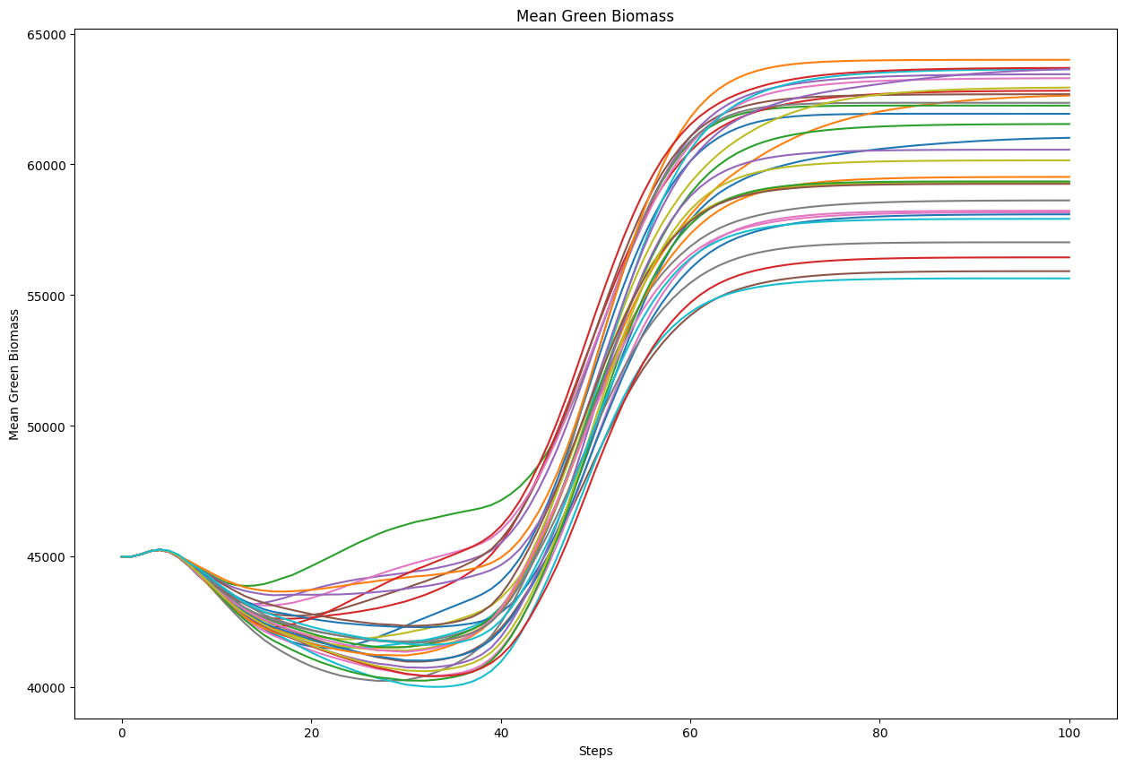
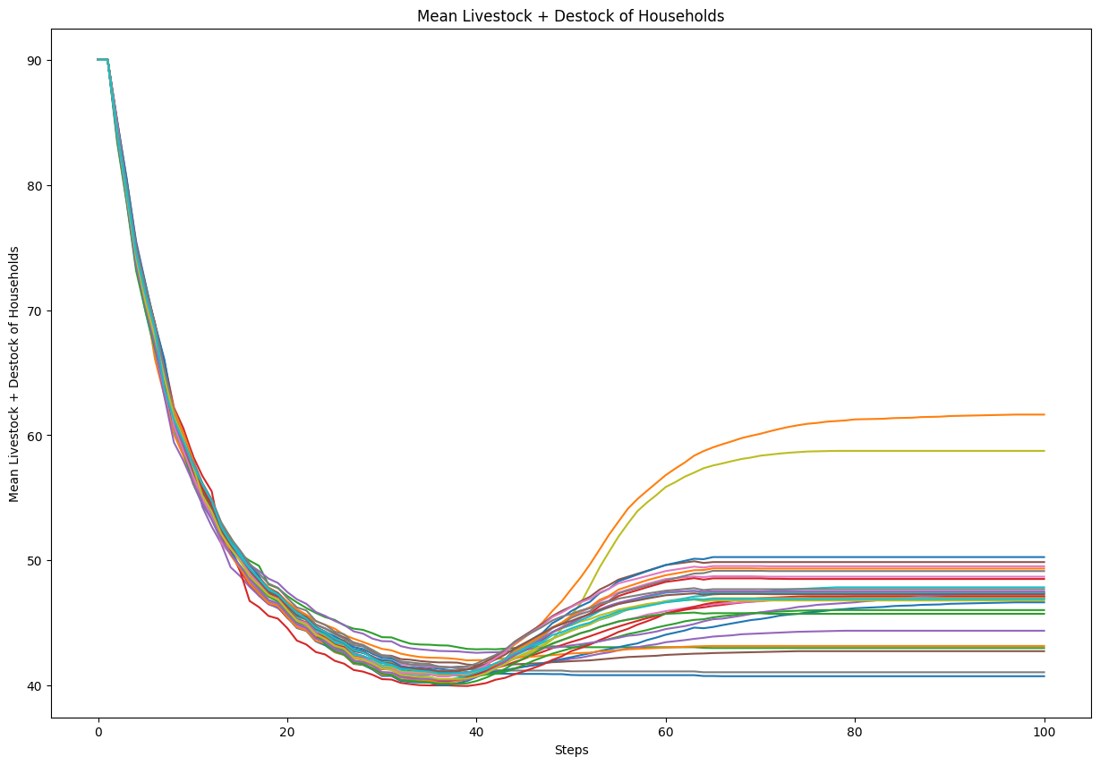
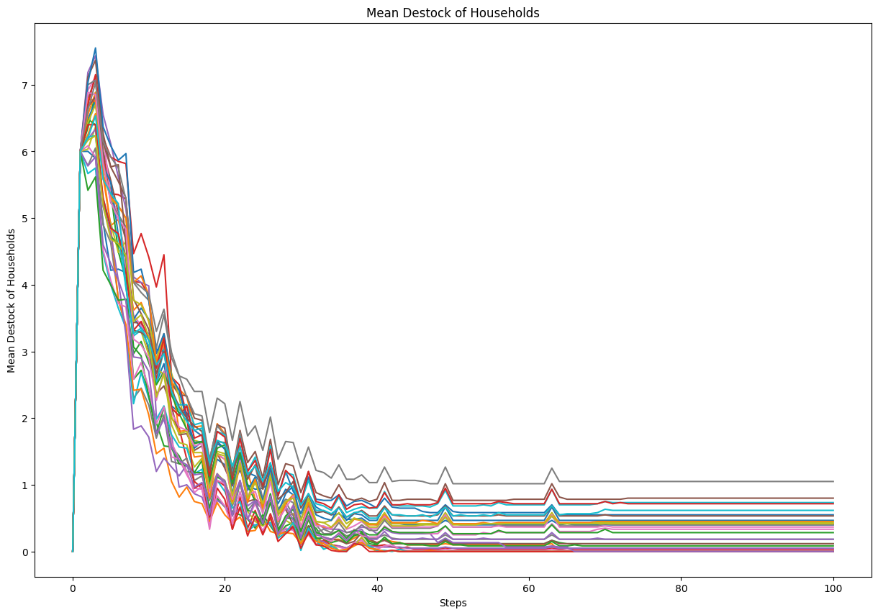
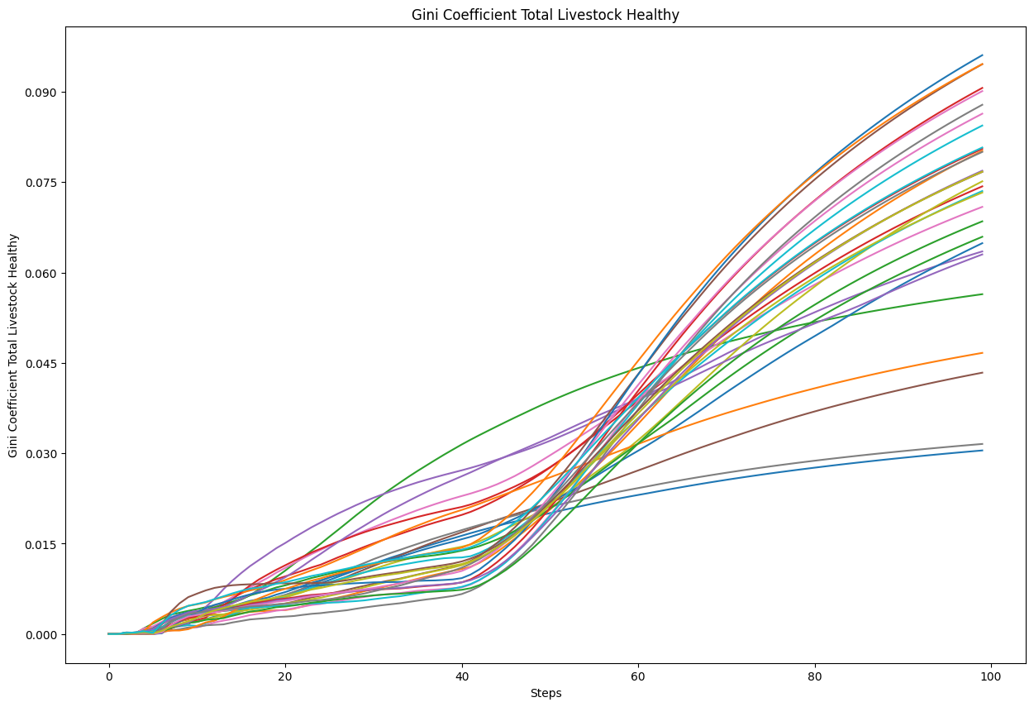
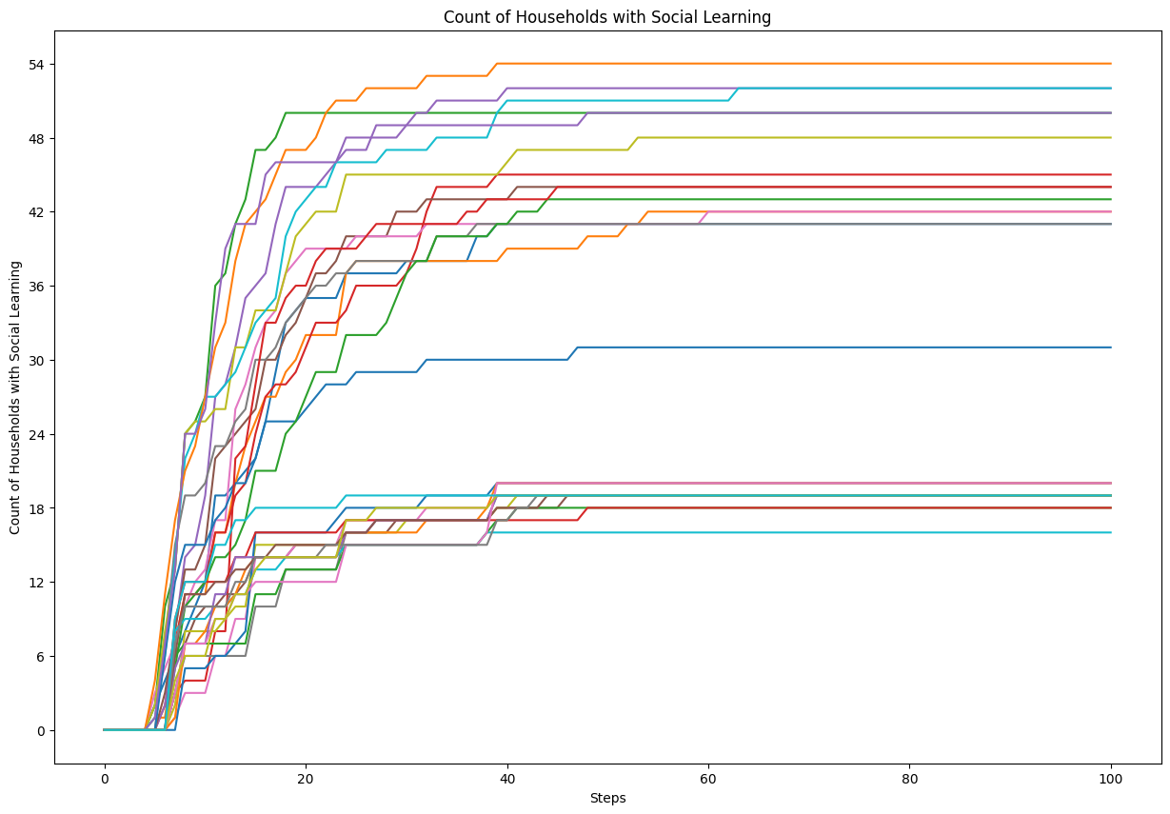
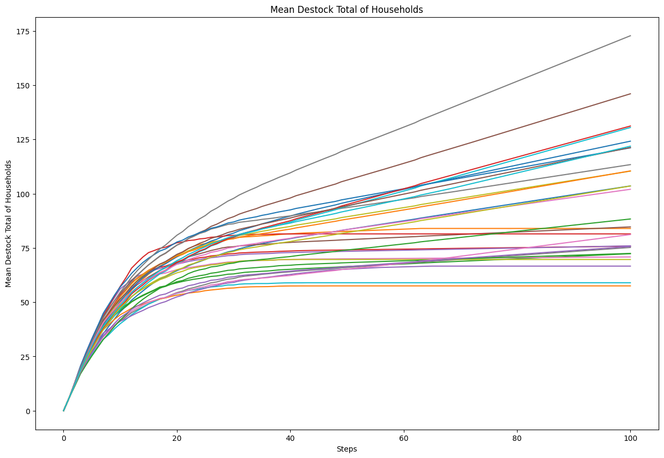
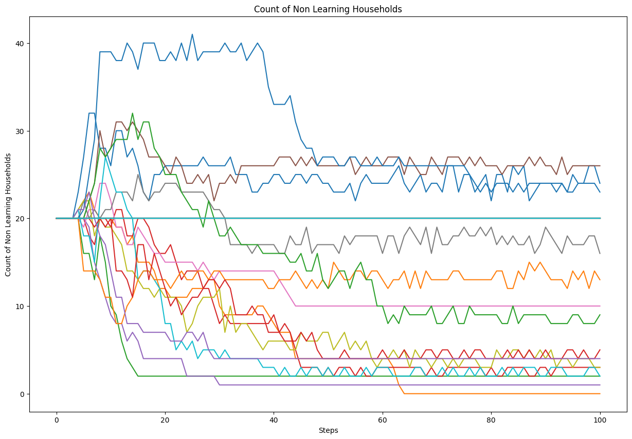
Input | Output | Faithfulness | Coverage

You are an expert in Consumer Behavior without any statistics background. Your goal is to explain an agent-based model. Your explanation must include the context of the model, its goals, and key parameters. For each parameter, include the range of values (if provided) and the value that we have set. Do not write any summary or conclusion. We have 16 parameters: - memory-lifetime, from 1.0 to 10.0. We set it to 5. - alt-health-mean-initial, from 1.0 to 3.0. We set it to 1.69. - habit-threshold, from 1.0 to 10.0. We set it to 2. - p-interact, from 0.0 to 1.0. We set it to 0.3. - social-susceptibility, from 0.0 to 1.0. We set it to 0.2. - incumbent-initial-habit, from 0.0 to 10.0. We set it to 10. - alt-env-mean-initial, from 0.0 to 3.0. We set it to 1.12. - social-blindness, from 0.0 to 1.0. We set it to 0.51. - justification, from 0.0 to 1.0. We set it to 0.61. - cognitive-dissonance-threshold, from 0.0 to 1.0. We set it to 0.15. - network-parameter, from 2.0 to 10.0. We set it to 8. - number-of-agents. We set it to 1000. - habit-on?. We set it to True. - network-type. We set it to "watts-strogatz". - norms. We set it to True. - social-conformity. We set it to 0.28. The context and goals of the model are as follows. The overall objective of the agent-based model is to reproduce adoption behaviours of milk consumption by the British public (1974-2005), by replicating individual preferences and decision factors. Specifically, the goal of the model is to explore the influence of perception, habits and social influence in an individual's decision-making process of milk choice. The model looks to replicate the substitution of whole milk for skimmed and semi-skimmed milk from the 1970s onwards. The main outcome reported here is the average weekly consumption of each milk type per person. The simulation uses both a theoretical grounding and empirical data to inform the ABM, with calibration performed against observed | Study compares two model variants, representing different mechanisms for how agents become disposed to consider their choices. Model simulates 1,000 adult consumer agents occupying random positions in an information environment. Each agent has a disposition to consider alternative milk choices, determined by either a threshold-based or a probability-based approach. Model aims to explore the influence of perception, habits, and social influence in an individual's decision-making process of milk choice, specifically the substitution of whole milk for skimmed and semi-skimmed milk from the 1970s onwards. Study compares the model to the adoption behaviors of milk consumption by the British public (1974-2005), by replicating individual preferences and decision factors. The key parameters and their values are as follows:. The model is based on a number-of-agents, with the number of agents in the model and their choice functions of the model being given a number of different choices to consider milk choices. The model also includes a network-parameter: Mean whole milk consumption per agent starts at a very high value of around 2400 units. It then experiences a rapid decline over the first 5 time steps, dropping to around 1200 units. This sharp initial drop could indicate that agents are adjusting their milk consumption habits rapidly in response to changes in the simulation environment. The mean skimmed/semi-skimmed milk consumption per agent starts at around 200 units in the initial time steps. This rapid growth could indicate a change in consumer preferences or marketing campaigns that influenced a large portion of the population to increase their consumption of these milk varieties. The total number of whole milk choices made by the agents starts at a low value close to zero and exhibits a consistent linear increase over the simulation steps. This upward trend appears to be fairly uniform across all the simulation runs. For decision-makers, this upward trend could | -10.5 | -6.5
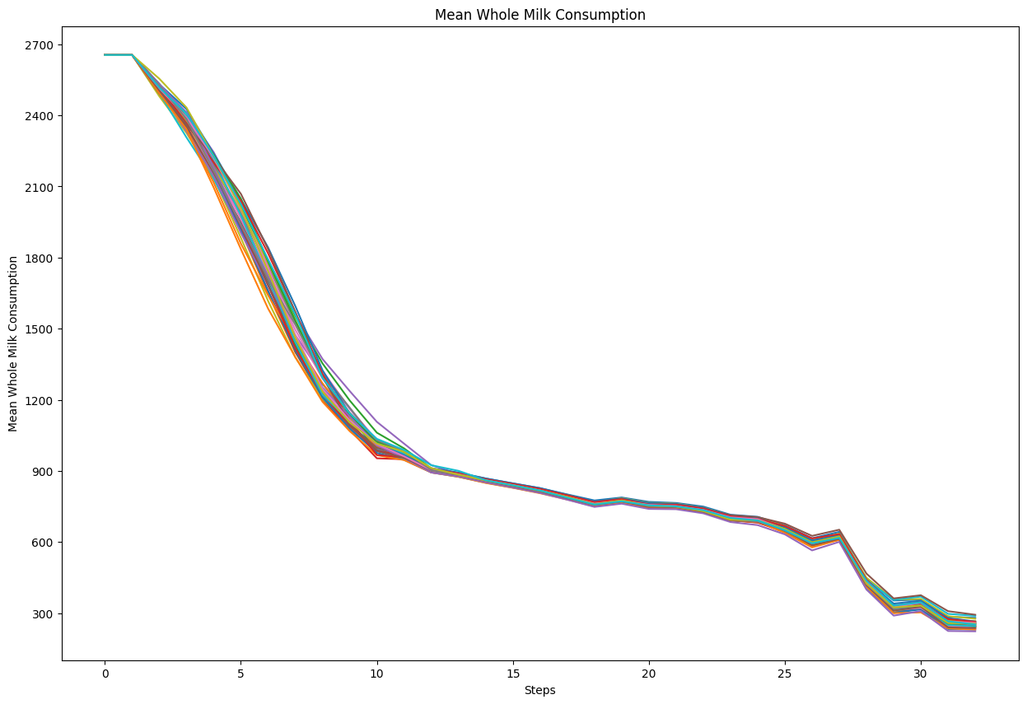
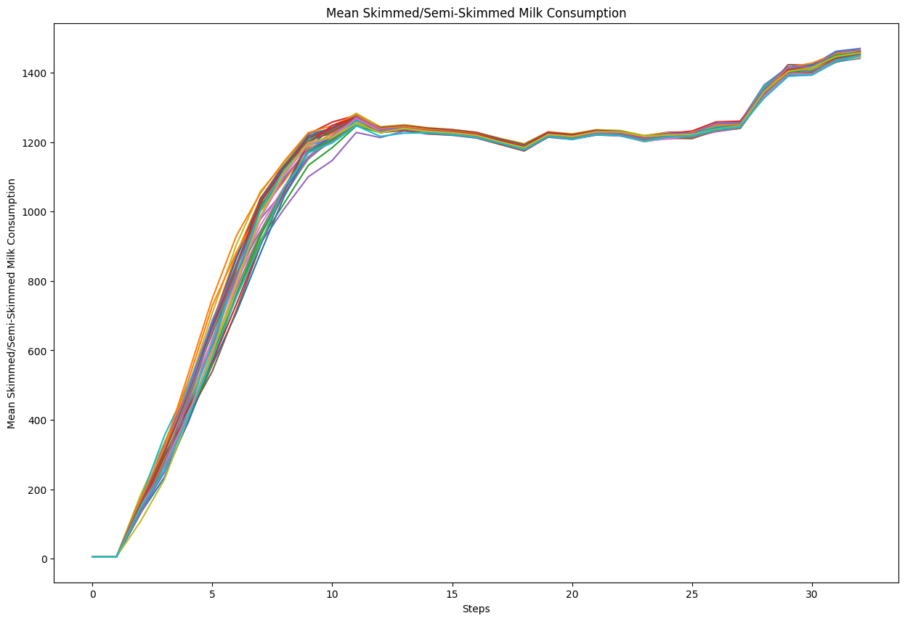
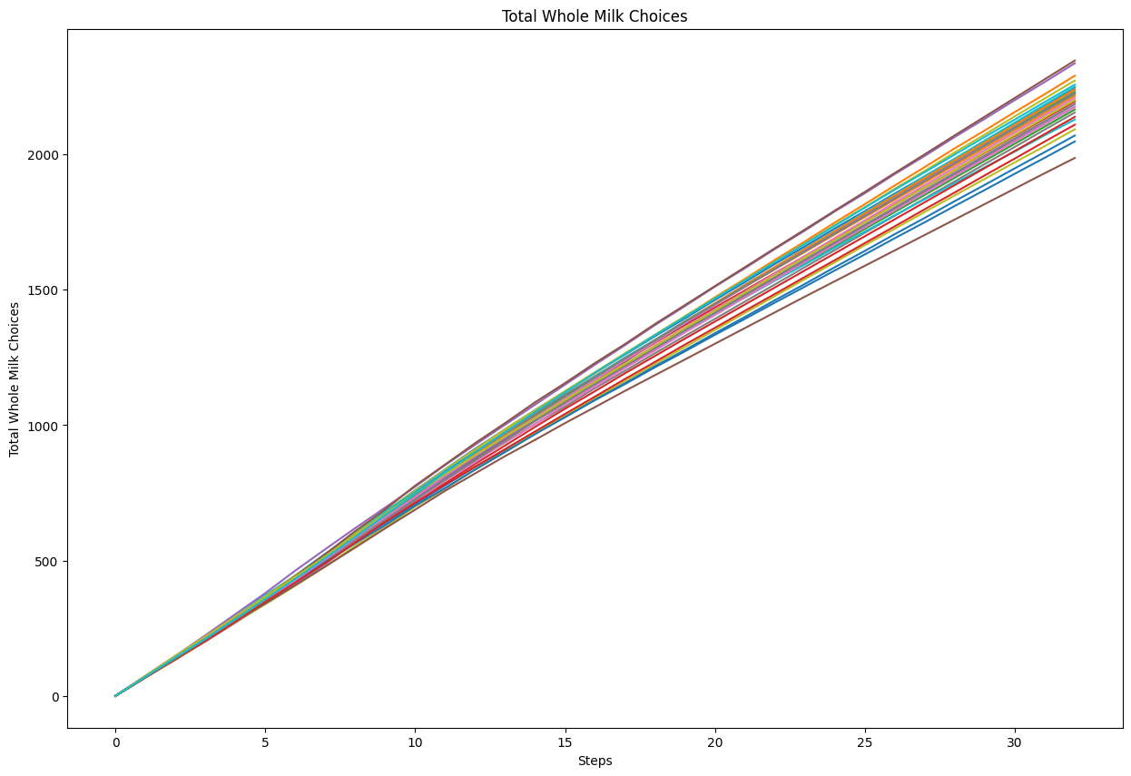
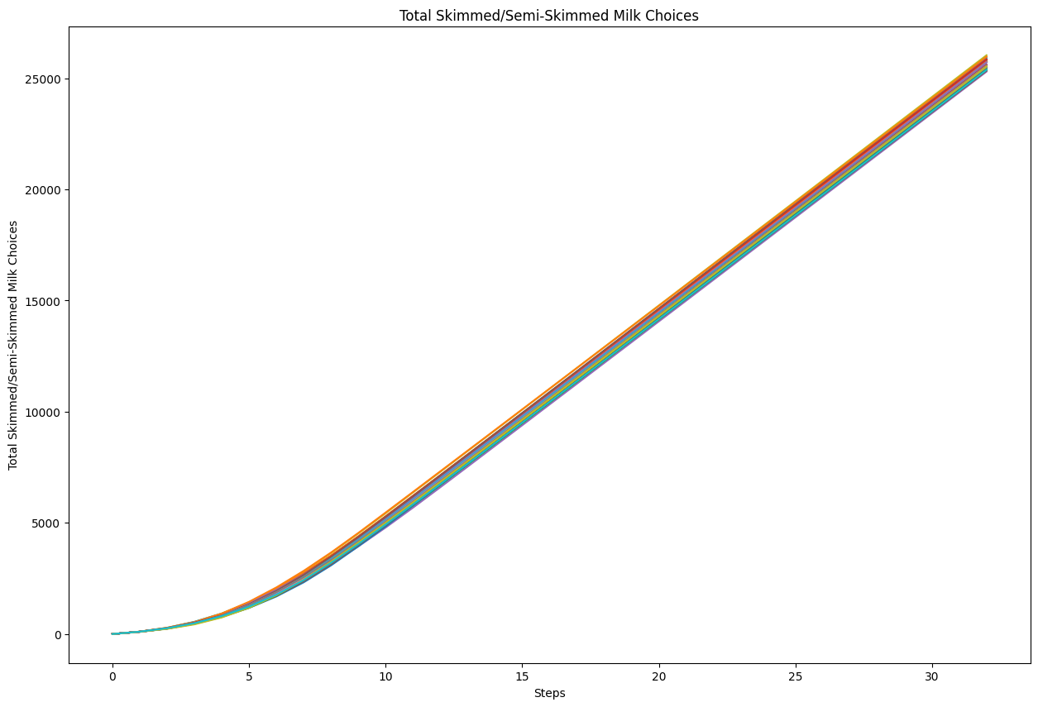
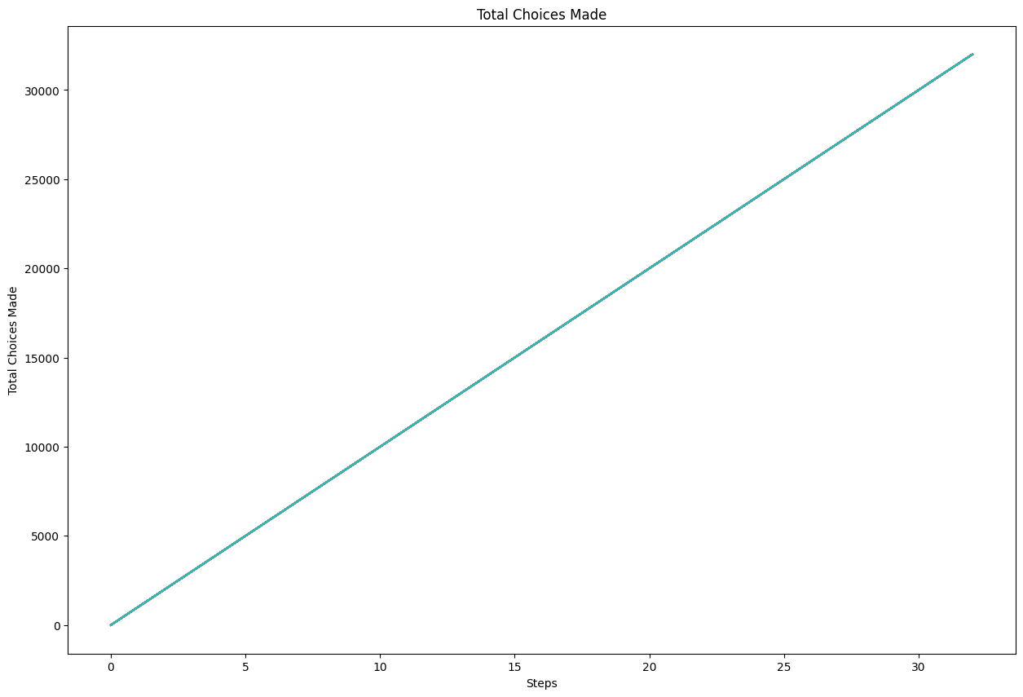
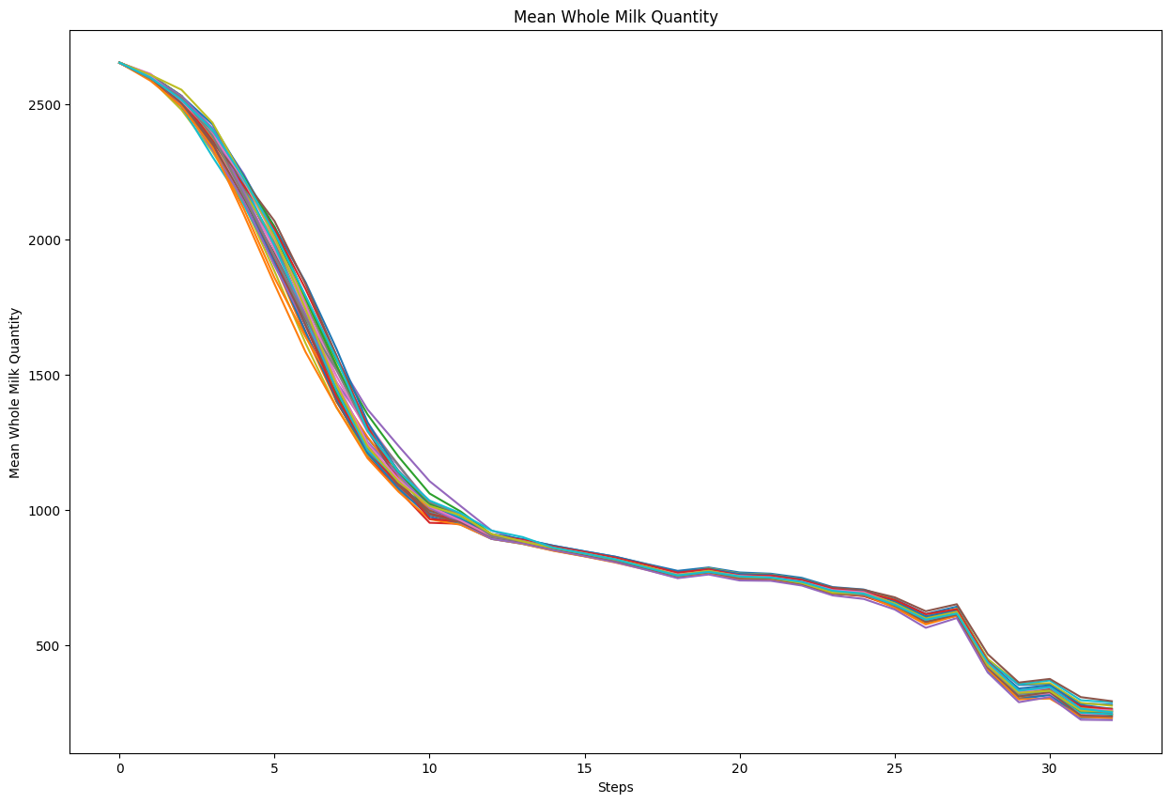
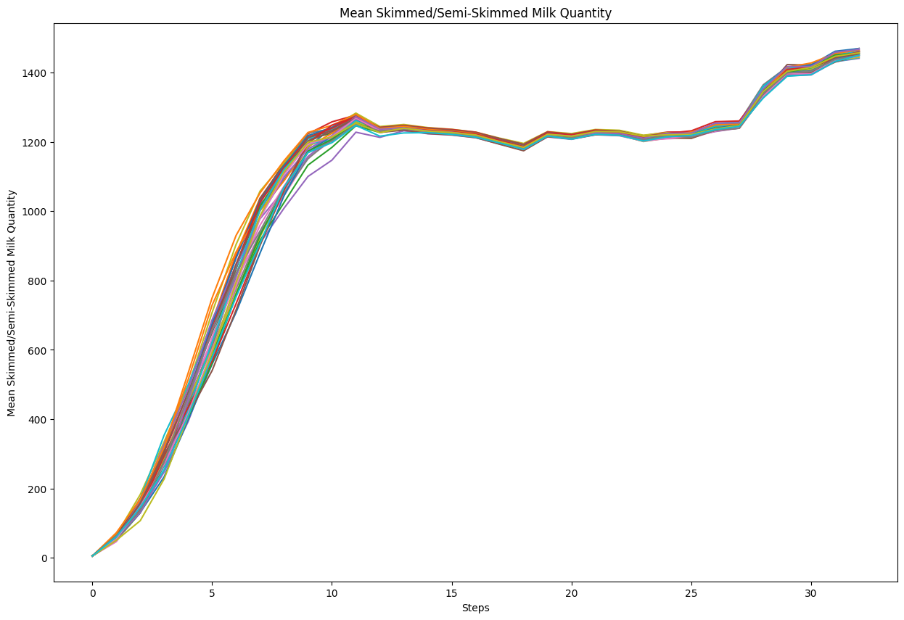
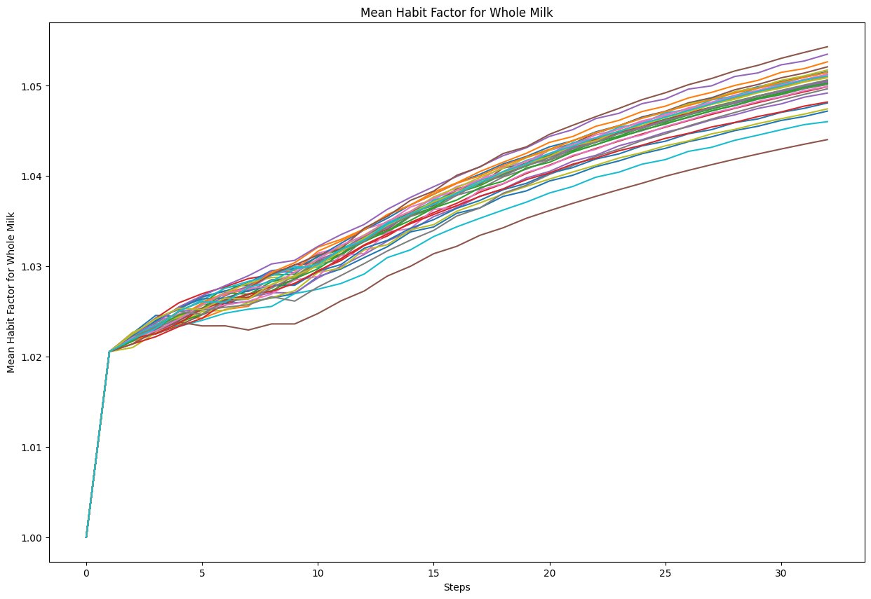
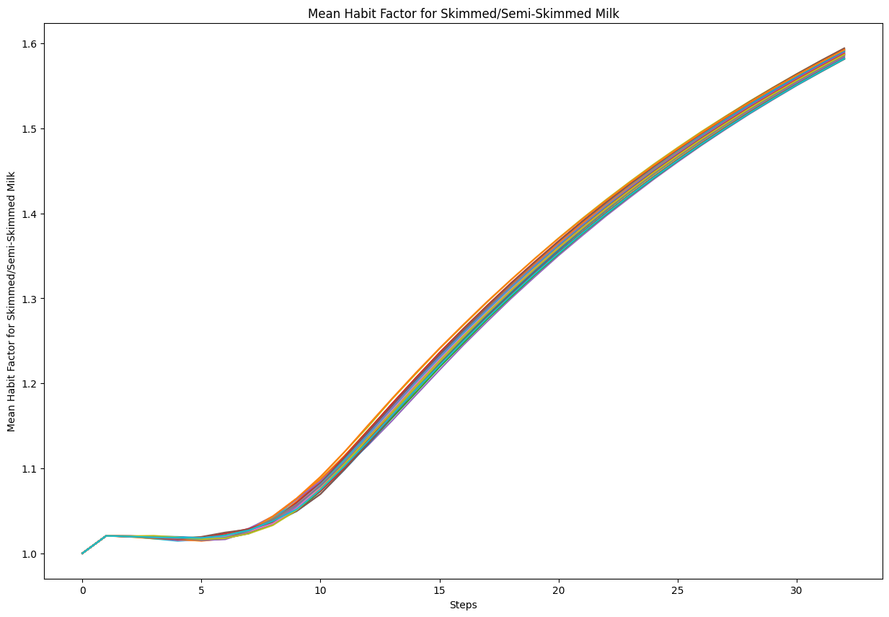
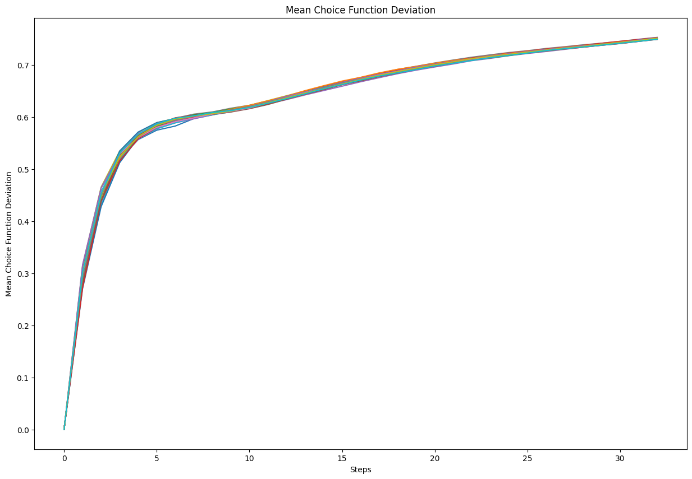
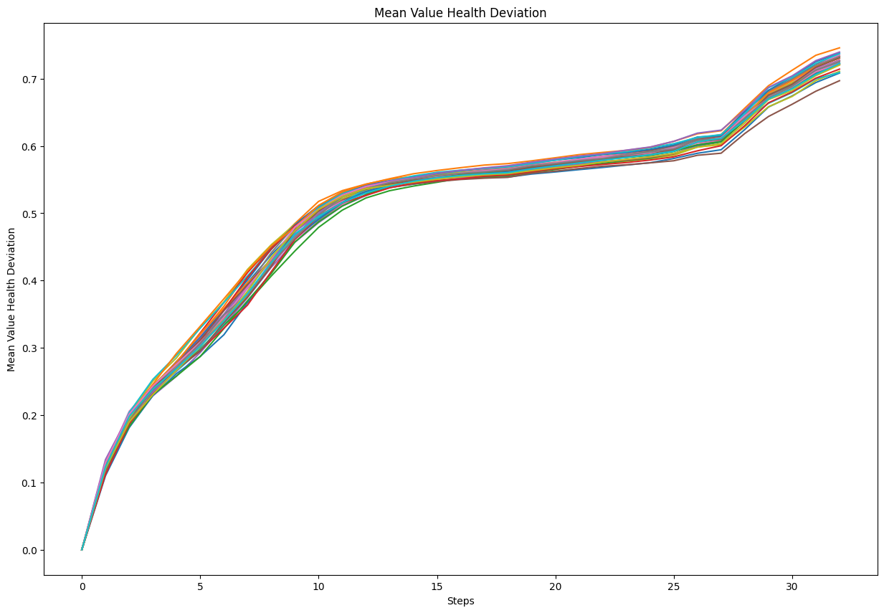
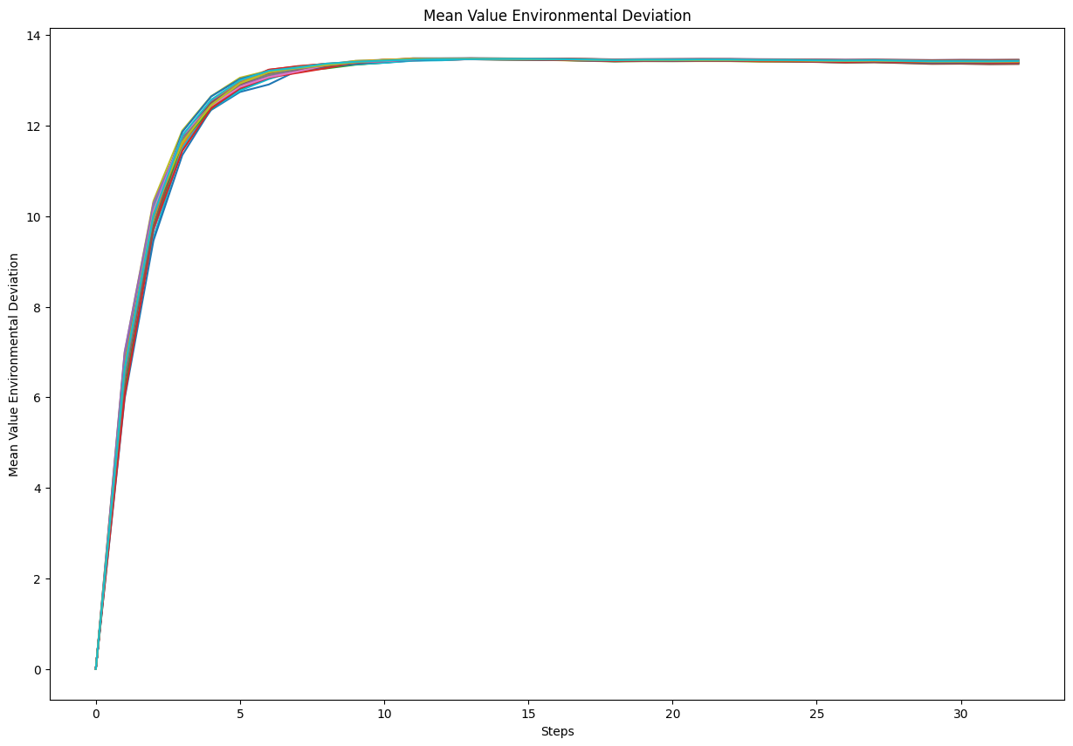
Input | Output | Faithfulness | Coverage

Your goal is to explain an agent-based model. Your explanation must include the context of the model, its goals, and key parameters. For each parameter, include the range of values (if provided) and the value that we have set. Do not write any summary or conclusion. We have 16 parameters: - memory-lifetime, from 1.0 to 10.0. We set it to 5. - alt-health-mean-initial, from 1.0 to 3.0. We set it to 1.69. - habit-threshold, from 1.0 to 10.0. We set it to 2. - p-interact, from 0.0 to 1.0. We set it to 0.3. - social-susceptibility, from 0.0 to 1.0. We set it to 0.2. - incumbent-initial-habit, from 0.0 to 10.0. We set it to 10. - alt-env-mean-initial, from 0.0 to 3.0. We set it to 1.12. - social-blindness, from 0.0 to 1.0. We set it to 0.51. - justification, from 0.0 to 1.0. We set it to 0.61. - cognitive-dissonance-threshold, from 0.0 to 1.0. We set it to 0.15. - network-parameter, from 2.0 to 10.0. We set it to 8. - number-of-agents. We set it to 1000. - habit-on?. We set it to True. - network-type. We set it to "watts-strogatz". - norms. We set it to True. - social-conformity. We set it to 0.28. The context and goals of the model are as follows. The overall objective of the agent-based model is to reproduce adoption behaviours of milk consumption by the British public (1974-2005), by replicating individual preferences and decision factors. Specifically, the goal of the model is to explore the influence of perception, habits and social influence in an individual's decision-making process of milk choice. The model looks to replicate the substitution of whole milk for skimmed and semi-skimmed milk from the 1970s onwards. The main outcome reported here is the average weekly consumption of each milk type per person. The simulation uses both a theoretical grounding and empirical data to inform the ABM, with calibration performed against observed macro level data. In particular, the study conducts an experiment to compare | The agent-based model aims to simulate the adoption behaviors of milk consumption by the British public from 1974 to 2005. It focuses on individual preferences and decision factors to understand the influence of perception, habits, and social influence on milk choice, specifically the substitution of whole milk for skimmed and semi-skimmed milk. The main outcome of the model is the average weekly consumption per person of each type of milk. Model uses empirical data for calibration and seeks to replicate observed macro-level trends in milk consumption. The model includes two disposition mechanisms (threshold-based and probability-based) to explore how agents decide to consider their milk choices. Agents' milk choices are influenced by health and environmental characteristics, habit, social influence, and evaluation of previous choices. All agents are part of a unidirectional social network where they can be influenced by others based on the type of social network topology used in the simulation. The average milk consumption of each milk type is used for calibration against Data shows a progressive decline in the mean weekly consumption of whole milk per agent over a series of 31 time steps. For decision-makers, these trends imply a substantial reduction in whole milk consumption over the observed period. Decision-makers in the dairy industry might consider investigating underlying causes, such as dietary trends, availability of alternatives or socioeconomic changes. The average weekly consumption of skimmed and semi-skimmed milk per agent exhibits a clear growth trend over time. Initially, from time step 0 to approximately time step 12, there is a rapid and steady increase in consumption. Following this period of sharp increase, consumption levels begin to fluctuate slightly, indicating a potential stabilization phase. The total number of times agents have chosen whole milk shows a consistent, linear increase over the observed time steps. Decision makers can re | -3.5 | -9

Input | Output | Faithfulness | Coverage

Your goal is to explain an agent-based model. Your explanation must include the context of the model, its goals, and key parameters. For each parameter, include the range of values (if provided) and the value that we have set. Do not write any summary or conclusion. We have 31 parameters: - number-households, from 1.0 to 100.0. We set it to 60. - satisficing-threshold, from 0.0 to 100.0. We set it to 0. - satisficing-trials, from 0.0 to 100.0. We set it to 21. - knowledge-radius, from 0.0 to 5.0. We set it to 1. - resting-threshold, from 0.0 to 1.0. We set it to 0.1. - intrinsic-preference, from 0.0 to 1.0. We set it to 0. - social-susceptibility, from 0.0 to 1.0. We set it to 0. - global-rain?. We set it to True. - start-on-homepatch?. We set it to True. - resting?. We set it to False. - homog-behav-types?. We set it to True. - extension-model?. We set it to True. - SL2-strategy-switch?. We set it to False. - risk-mode?. We set it to True. - behavioral-type. We set it to E-RO. - number-SAT. We set it to 0. - number-E-RO. We set it to 20. - number-TRAD. We set it to 0. - b. We set it to 0. - number-MAX. We set it to 0. - rain-mean. We set it to 200. - risk-att-init. We set it to 0.5. - gr1. We set it to 0.5. - number-E-LBD. We set it to 20. - gr2. We set it to 0.1. - number-E-RO-SL1. We set it to 20. - timesteps. We set it to 100. - w. We set it to 0.8. - number-random. We set it to 0. - livestock-init. We set it to 90. - rain-std. We set it to 100. The context and goals of the model are as follows. This is an extension of the original RAGE model where we add learning capabilities to agents, specifically learning-by-doing and social learning (two processes central to adaptive (co-)management). The original model can be found here: The RAGE model is a *multi-agent simulation model* that captures *feedbacks between pastures, livestock and household livelihood in | The agent-based model under discussion extends the RAGE (Rangeland-Agent) model to smallholder farmers' decision-making. It emphasizes learning capabilities in agents, specifically learning-by-doing and social learning. The model includes different behavioral types of agents: traditional (TRAD), maximizer (MAX), satisficer (SAT), and three new types (E-RO, E-LBD, and E-RO-SL1) that incorporate learning processes. It simulates the dynamics of pasture, livestock, and household livelihoods in a common property grazing system. Households (agents) observe pastures and their neighbors to decide how many livestock to place on their pasture annually. The study of system property variations: To assess the impact of varying ecological and climatic conditions on household decision- making and overall system resilience. The model also assesses the impact on ecological and climate conditions on the household. The number-households are defined by the parameters of the model The average initial risk attitude of all social learning agents remains constant throughout the 100 time steps in the simulation. This indicates that each agent's initial disposition to deviate from the recommended number of livestock does not change over time. For decision-makers, this trend implies that any modifications in livestock policies or recommendations need to be considering more dynamic models. The mean household risk attitude initially increases sharply within the first 20 steps, reaching a range between 0.2 and 0.8. This initial rise indicates that households are initially becoming more risk-averse or aware under the influence of various extension agents. The mean reserve biomass within patches of the grazing system starts with a value around 90,000 units. During the initial 40 time steps, there is a notable decline, with biomass dropping to approximately 80,000. This early reduction likely reflects a period of rapid grazing or resource consumption, where the vegetation could not replenish f | -9 | -6

Input | Output | Faithfulness | Coverage

You are an expert in Consumer Behavior without any statistics background. Your goal is to explain an agent-based model. Your explanation must include the context of the model, its goals, and key parameters. For each parameter, include the range of values (if provided) and the value that we have set. Do not write any summary or conclusion. We have 16 parameters: - memory-lifetime, from 1.0 to 10.0. We set it to 5. - alt-health-mean-initial, from 1.0 to 3.0. We set it to 1.69. - habit-threshold, from 1.0 to 10.0. We set it to 2. - p-interact, from 0.0 to 1.0. We set it to 0.3. - social-susceptibility, from 0.0 to 1.0. We set it to 0.2. - incumbent-initial-habit, from 0.0 to 10.0. We set it to 10. - alt-env-mean-initial, from 0.0 to 3.0. We set it to 1.12. - social-blindness, from 0.0 to 1.0. We set it to 0.51. - justification, from 0.0 to 1.0. We set it to 0.61. - cognitive-dissonance-threshold, from 0.0 to 1.0. We set it to 0.15. - network-parameter, from 2.0 to 10.0. We set it to 8. - number-of-agents. We set it to 1000. - habit-on?. We set it to True. - network-type. We set it to "watts-strogatz". - norms. We set it to True. - social-conformity. We set it to 0.28. The context and goals of the model are as follows. The overall objective of the agent-based model is to reproduce adoption behaviours of milk consumption by the British public (1974-2005), by replicating individual preferences and decision factors. Specifically, the goal of the model is to explore the influence of perception, habits and social influence in an individual's decision-making process of milk choice. The model looks to replicate the substitution of whole milk for skimmed and semi-skimmed milk from the 1970s onwards. The main outcome reported here is the average weekly consumption of each milk type per person. The simulation uses both a theoretical grounding and empirical data to inform the ABM, with calibration performed against observed | The goal of the model is to explore the influence of perception, habits, and social influence on an individual's decision-making process regarding milk choice. The context of the study is to reproduce the adoption behaviors of milk consumption by the British public from 1974 to 2005. The model has 16 parameters, and their values are set as follows: memory-lifetime, habit-threshold, p-interact, social-susceptibility, justification, and network-type. Agents in the model represent adult consumers who are positioned randomly in an information environment. Each agent has a disposition to consider alternative milk choices, which is tested using two mechanisms: a threshold-based approach and a probability based approach. If the disposition requirement is met, consumption of each milk type is split proportionately based on the size of each choice function, modified by other influences. The main outcome reported is the average weekly consumption of the milk type per person. The model aims to replicate the observed consumption data by calibrating The mean whole milk consumption per agent starts at around 2400 units in the initial time step. It then exhibits a sharp decline over the first 5 time steps, dropping to around 1200 units. This rapid initial decrease could potentially represent a shift in consumer preferences or introduction of alternative milk products in the market. The average weekly consumption of skimmed and semi-skimmed milk per agent starts at a low level of around 200 units. At around step 5, the consumption begins to increase rapidly, following a steep upward curve. This sharp increase suggests a significant change in consumer behavior or external factors influencing milk demand. The total number of whole milk choices by the agents exhibits a steady and nearly linear increasing trend across the time steps. This consistent upward trajectory suggests that the agents' preferences are shifting towards favoring whole milk over time, potentially due to factor | -15 | -3.5

Input | Output | Faithfulness | Coverage

Your goal is to explain an agent-based model. Your explanation must include the context of the model, its goals, and key parameters. For each parameter, include the range of values (if provided) and the value that we have set. Do not write any summary or conclusion. We have 16 parameters: - memory-lifetime, from 1.0 to 10.0. We set it to 5. - alt-health-mean-initial, from 1.0 to 3.0. We set it to 1.69. - habit-threshold, from 1.0 to 10.0. We set it to 2. - p-interact, from 0.0 to 1.0. We set it to 0.3. - social-susceptibility, from 0.0 to 1.0. We set it to 0.2. - incumbent-initial-habit, from 0.0 to 10.0. We set it to 10. - alt-env-mean-initial, from 0.0 to 3.0. We set it to 1.12. - social-blindness, from 0.0 to 1.0. We set it to 0.51. - justification, from 0.0 to 1.0. We set it to 0.61. - cognitive-dissonance-threshold, from 0.0 to 1.0. We set it to 0.15. - network-parameter, from 2.0 to 10.0. We set it to 8. - number-of-agents. We set it to 1000. - habit-on?. We set it to True. - network-type. We set it to "watts-strogatz". - norms. We set it to True. - social-conformity. We set it to 0.28. The context and goals of the model are as follows. The overall objective of the agent-based model is to reproduce adoption behaviours of milk consumption by the British public (1974-2005), by replicating individual preferences and decision factors. Specifically, the goal of the model is to explore the influence of perception, habits and social influence in an individual's decision-making process of milk choice. The model looks to replicate the substitution of whole milk for skimmed and semi-skimmed milk from the 1970s onwards. The main outcome reported here is the average weekly consumption of each milk type per person. The simulation uses both a theoretical grounding and empirical data to inform the ABM, with calibration performed against observed macro level data. In particular, the study conducts an experiment to compare | The agent-based model aims to reproduce the adoption behaviors related to milk consumption by the British public between 1974 and 2005. It focuses on modeling individual preferences and decision-making factors to explore how perception, habits, and social influence affect milk choice. The primary goal is to understand the substitution patterns of whole milk with skimmed and semi-skimmed milk during this period, with a specific interest in average weekly milk consumption per person. The average consumption plot shows the percentage of agents consuming each milk type. The choice of milk is influenced by health and environmental characteristics, habit, social influence, and previous evaluations. The Average Consumption Plot Illustrates average consumption over time, aiding in model calibration to fit observed data. The model uses a threshold-based approach, and the other a probability based approach for disposition to change choices. The model is based on the average consumption of milk over time. The number-of-agents are tested. The average milk consumption is estimated to be between 1.0 and In the dataset representing the average weekly consumption of whole milk per agent over a series of time steps, a distinct downward trend is observed. Starting at time step 0, there is a rapid decline in consumption over the next 10 time steps. The slower decline after step 10 indicates a continuing shift in behaviors that could be addressed with longer-term strategies. Simulation results indicate that the average weekly consumption of skimmed and semi-skimmed milk per agent demonstrates notable trends. Average weekly consumption per agent shows notable trends: rapid increase in consumption from step 0 to step 10. Plateau Phase (Steps 10 to 20): Post step 10, the increase starts to slow down, transitioning into a plateau phase. Subsequent increase is more gradual compared to the initial phase, reaching about 1400 units by the final steps. The analysis of repeated simulations | -4.5 | -5
 |  | best one so far

